Formatting text and numbers
 | $9,000,000.00 |  | $(663,653.00)
9000000 | $(900,000,000.00)

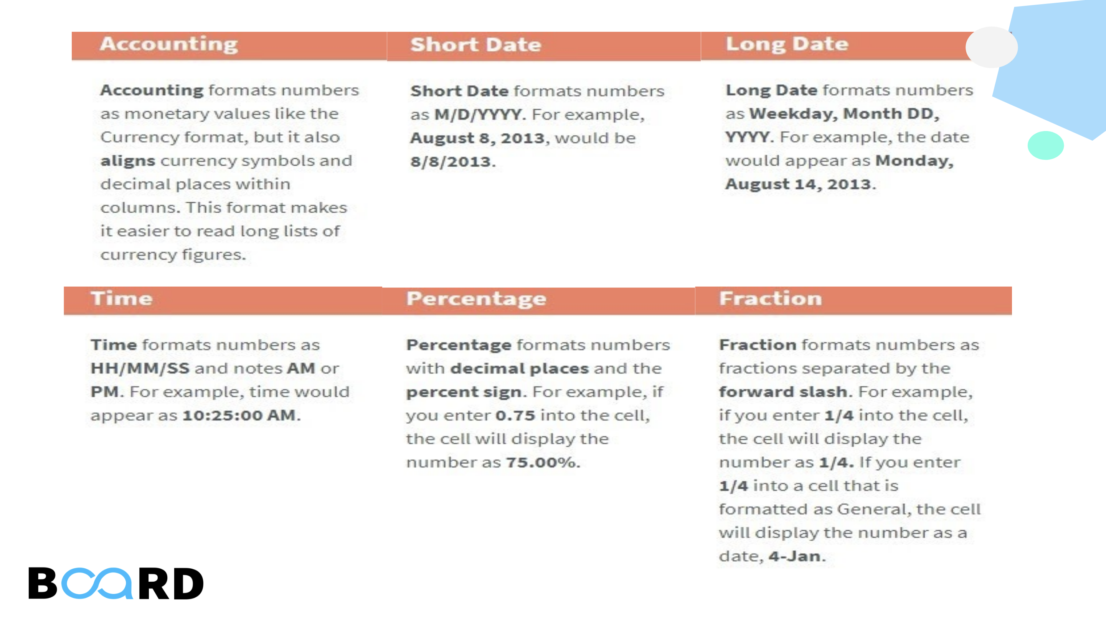
 | 2021-04-05 00:00:00
 |  |  |  | $568.00
 | 100.00% | 1000.00%
 | 50.00%

 | 0.25

